1. Title Page
[Consumer Profiling]

Project Name: Consumer Profiling
Date: 24th April 2023
Analyst Name: Christina Randall

Contents: | Citation:
Population Flow | The Instacart Online Grocery Shopping Dataset 2017”, Accessed from https://www.instacart.com/datasets/grocery-shopping-2017 on 1 April 2023.
Consistency checks
Wrangling steps
Column derivations
Visualizations
Recommendations

2. Population Flow
Title page

Population flow

Exclusion flag
Condition: max_order <
Obervations to be removed:
Final total count of order_products_all:

Orders_products_combined
Orders_products_merged
Orders_products_all

Total: 49693
Total: 35855572
Total: 35905265

1.) The grey boxes in the first row of the population flow represent the original data sets as they were when you downloaded them. In the Total fields you need to add the count of the rows when you imported the data set into Jupyter.
2.) The second row of boxes (coloured) represents the data sets after you manipulated them, e.g., removed missing values and duplicates. In the Total fields you need to add the count of the rows after conducting these operations. This offers a visual oveview of how the data flows throughout the data consistency checks.
3.) The third row, where also the arrows are coloured, represents the merges you performed between the datasets. In the Total fields you need to add the count of the rows in the merged datasets, so that you end up with the final dataset (in the red box). Keep in mind the final dataset should be without exclusions (based on the exclusion flag).

3. Consistency checks
 |  |  |  | Title page
Consistency checks

Dataset | Missing values | Missing values treatment | Duplicates
orders | na |  | na
products | na |  | na
orders_products_prior | na |  | na
customers | 11259 | deleted | na

*Used only complete and whole entries from the availabe data

4. Wrangling steps
 |  |  |  | Title page
Wrangling steps

Columns dropped | Columns renamed | Columns' type changed | Comment/Reason
eval_set |  |  | did not contain pertainent information
product_name |  |  | to much detail
 | fam_status to martial_status |  | clarity
 | First Name to first_name |  | consistency in naming practices
 | Surnam to last_name |  | consistency in naming practices
 | STATE to state |  | consistency in naming practices
 | Age to age |  | consistency in naming practices

5. Column derivations
 |  |  |  | Title page

Column derivations and aggregations

In this tab you should add tables below that the frequences of flags/label variables that you produced after deriving them. NB: don't do this for continuous variables, only for flags.
Dataset | New column | Column/s it was derived from | Conditions
poc | price_range | prices | prices <= 5 -- Low-range product prices > 5 & prices <=15 == Mid-range product prices . 15 -- High-range product
poc | price_range_loc | prices | prices <= 5 -- Low-range product prices > 5 & prices <=15 == Mid-range product prices > 15 -- High-range product
poc | busiest_day | orders_day_of_week | Saturday (0) -- Busiest day Wedneday (4) -- Least busy All other values -- Regularly busy
poc | busiest_days | orders_day_of_week | Saturday (0) and Sunday (1) -- Busiest day Wedneday (4) and Wuesday (3) -- Least busy All other values -- Regularly busy
poc | buesiest_period_of_day | order_hour_of_day | The average order time +/- 1 standard deviation -- Average orders Any time with more than average orders -- Fewest orders Any time with fewer than average orders
poc | loyalty_flag | max_order | max_order > 40 -- Loyal customer max_order <=40 & max_order > 10 -- Regular customer max_order <= 10 -- New customer
poc | spending_flag | mean_price | mean_price < 10 -- Low spender mean_price >= 10 -- High spender
poc | freq_flag | med_order_freq | med_order_freq > 20 -- Non-frequent customer med_order_freq <=20 & med_order_freq > 10 -- Regular customer med_order_freq <= 10 Freqeunt customer
poc | region | state | states were placed into regions in accordance with this Wikipedia article: https://simple.wikipedia.org/wiki/List_of_regions_of_the_United_States
poc | activity_flag | max_order | max_order < 5 -- low activity max order >= 5 -- good activity
poc | profile | n_dependents, age, income, and department_id | number of dependets = 0 and age < 65 -- Single Adult number of dependets = 0 and age >= 65 -- Retired Adult number_of_dependents >= 1, income < 56867 and deparment_id != 18 -- Single parent number_of_dependents >= 1, income >= 56867 and deparment_id != 18 -- Partnered parent
poc | Segment | age, income | conducted k mean clustering

6. Visualizations
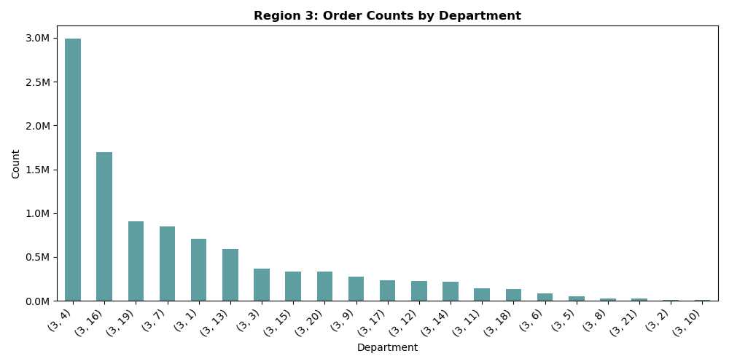


 |  |  | Title page

Visualisations

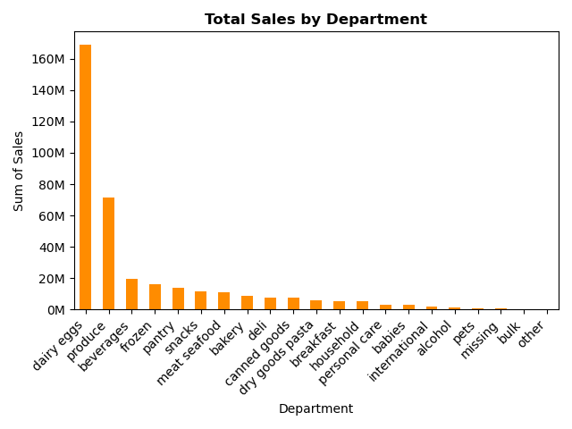
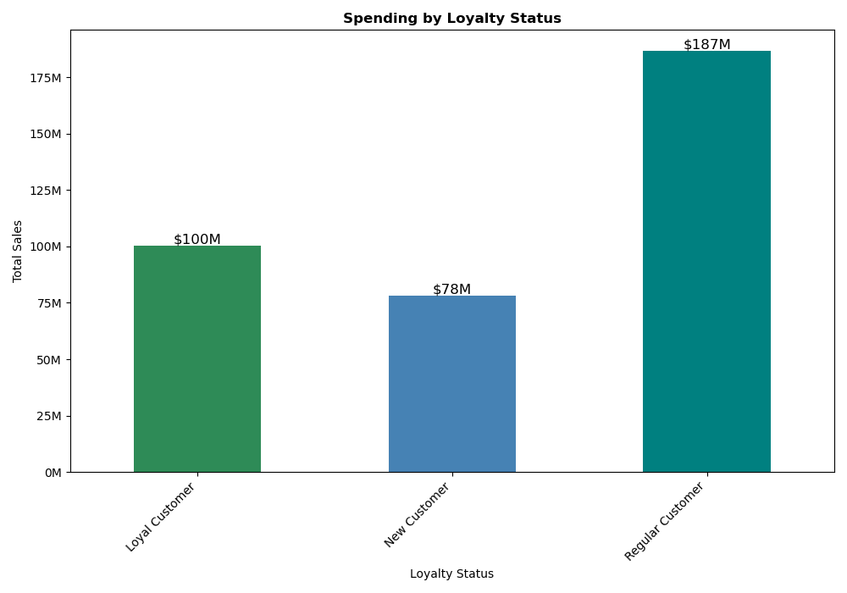

 |  | Products from the Dairy and Eggs Department have the highest Sales by Dollar Amount. It is over 2x bigger than its closet department which is Produce. |  |  | Regular Customers make up the most spending.

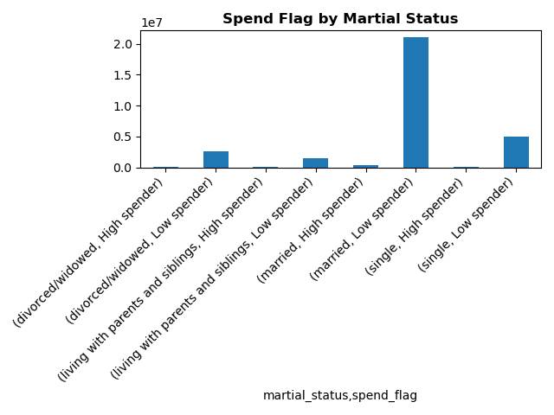
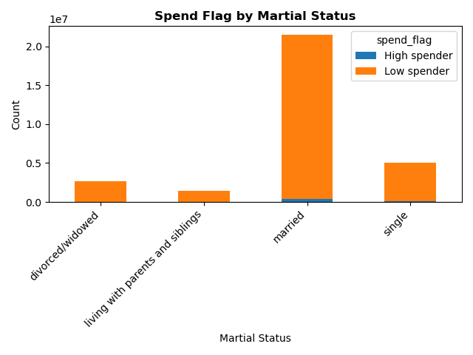

 |  | The majority of our customers are married and low spenders. |  |  | Again, majority are married and low spenders.

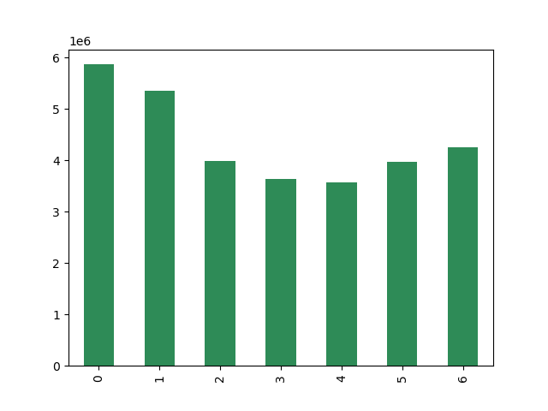
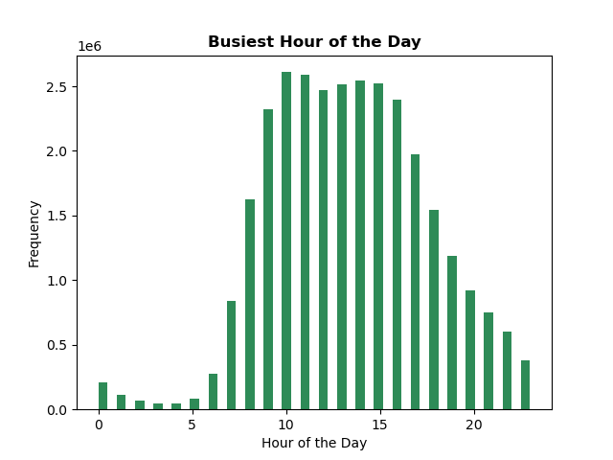

 |  | Sunday (0), is our buiesest days by number of sales. |  |  | Our busiest hours are between 10am and 4pm by number of purchases

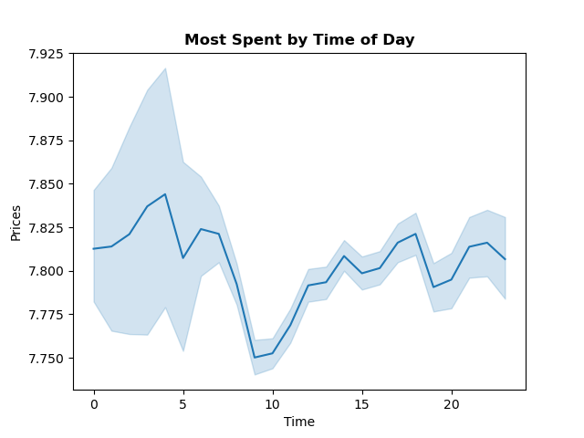
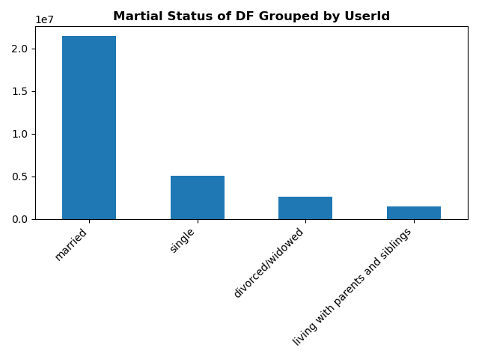

 |  | Our highes spend by time of day is before 10am and after roughly 12pm. |  |  | Married customers make up the largest customer base. Meaning that our numbers will be skewed towards them.

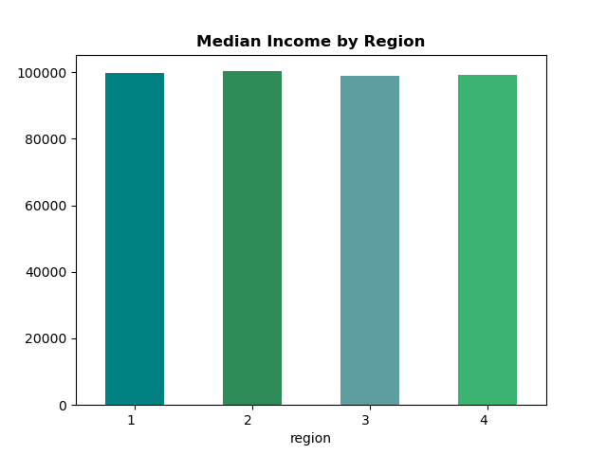
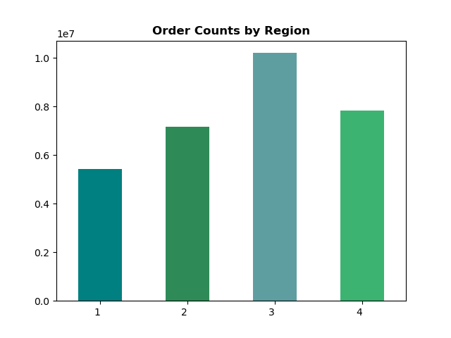

 |  | There is no signficant difrence in income by region. |  |  | Region 3 has the highest amount of orders. Are we doing anything diffrentley here that is making us more succesful?

Customer Type Distribution by Region | Using an Elbow chart to determine the number of clusters we can determine that our customer base falls into 4 main groups based on age and income.
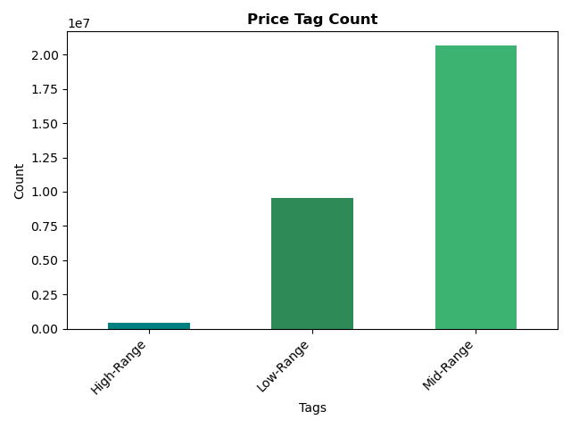
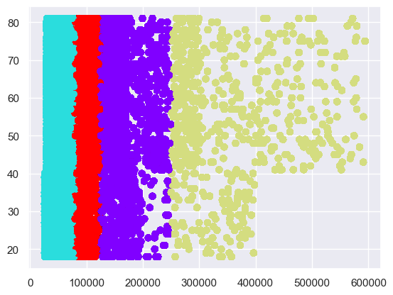
 |  |  |  | Most of our products are in the mid range price category ($5-$15).

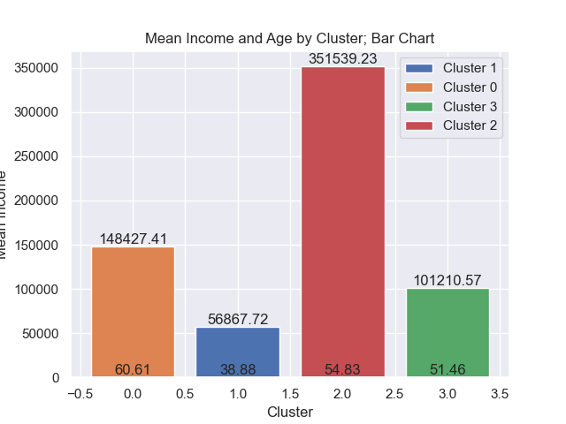



 |  |  |  |  | There is no major diffrences in the ratio of orders between regions. Region three has the most orders (goes up to 3 million) while Region one has the least (only 1.6 million). However, the order ratios are the same.

7. Recommendations
 |  |  |  |  |  |  |  | Title page

Recommendations

Final Recommendations

 |  | 1. Region three has a higher volume of orders compared to the other regions. We should look into why this is. This could potentially increase our other region's number of sales which would increase revenue over all.

 |  | 2. The Produce department has the most volume of sales but Dairy and Eggs have the highest purchase prices. We should look into profit margin and see if we can increase our margins in the produce department.

 |  | 3. Our largest customer base are customers who are married with an average of income of $101K. When we think of growing our market share we should take into consideration the needs and wants of our main cusomters.

The sales team needs to know what the busiest days of the week and hours of the day are (i.e., the days and times with the most orders) in order to schedule ads at times when there are fewer orders.

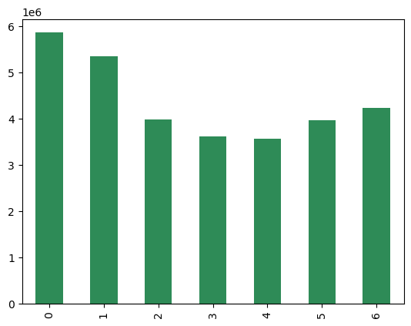
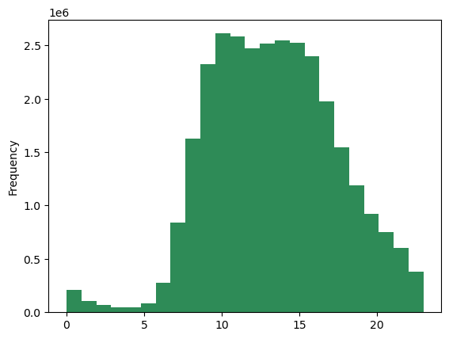
 |  | Total Orders by Day of the Week |  |  | The Distrubution of Total Orders Throughout the Day

 | Number of Orders |  |  | Freqeuncy

 |  | Day of the Week |  |  | Time of Day

 |  | The busiest day of the week is Saturday (followed by Sunday) and the buiest times of the day are between 10 am and 4 pm.

They also want to know whether there are particular times of the day when people spendthe most money, as this might inform the type of products they advertise at these times.

 |  | Relationship Between Product Price and Time of Day

 | Price |  |  | While there is not a strong corelation bewteen price and time of day, the the least expensive purchases happen at 10 am.

 |  | Time of Day

Instacart has a lot of products with different price tags. Marketing and sales want to use simpler price range groupings to help direct their efforts.

 |  |  | Products were grouped according to price using the following specifications:
 |  |  | prices <= 5 -- Low-range product
 |  |  | prices > 5 & prices <=15 == Mid-range product
 |  |  | prices > 15 -- High-range product

What’s the distribution among users in regards to their brand loyalty (i.e., how often do they return to Instacart)?

 |  | Distribution of Customer Base According to Loyalty Staus

 |  |  |  | Most users are regular customers (users 10 - 40 orders). Loyal customers (users with 40+ orders) are the next most common, followed by new customers (users with < 10 orders).
 | Freqeuncy


What different classifications does the demographic information suggest? Age? Income? Certain types of goods? Family status?
 |  |  |  |  |  |  | This shows that we have four major groups base on age and income. This sugests that we will have different purchaseing habits based on this. This is shown on the last question with the price crosstab.
 |  | Customer Distribution According to Profile

 | Age

 |  | Income

Are there certain types of products that are more popular than others? The marketing and sales teams want to know which departments have the highest frequency of product orders.
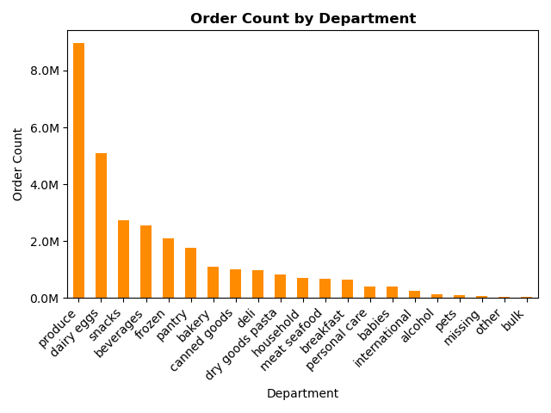
 |  |  |  |  |  | Produce is the most bought but Dariy & Eggs have the highest revenue. Is their a way to increase produce profit margins?

Are there differences in ordering habits based on a customer’s region?

 |  |  |  |  |  | There is no major diffrences in the ratio of orders between regions. Region three has the most orders (goes up to 3 million) while Region one has the least (only 1.6 million). However, the order ratios are the same.

Are there differences in ordering habits based on a customer’s loyalty status?

 |  |  |  |  | Regular customers tend to spend more than loyal or regular customers

Is there a connection between age and family status in terms of ordering habits? What differnces can you find in orderig habits of different customer profiles?

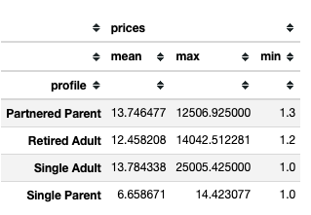
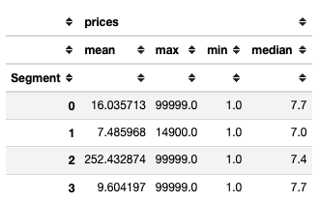

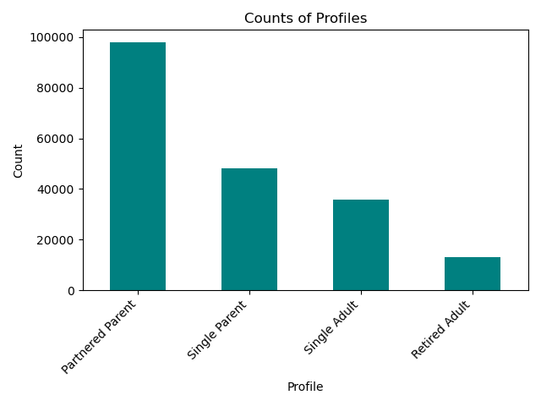
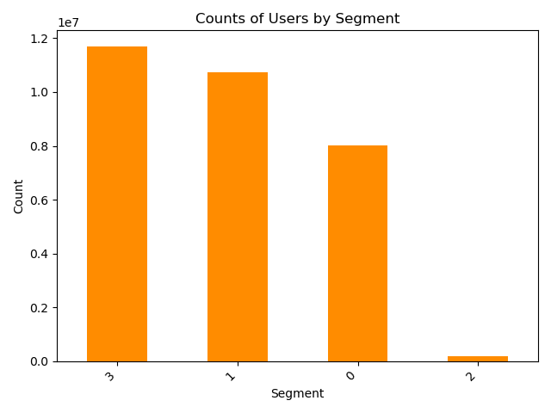

 | Looking at profiles we can see that under prices the average for Single Parents are less than half of the other profiles. Over on the Segment side we can see that the lowest income group 1 has a max purchase price of $14900. and that the richest group 2 has a signficantly higher average purchase price than the others at $252 even while 3/4 groupes have a max price of $99999. This sugests that this group spends more money more often than the other groups.

